FCF
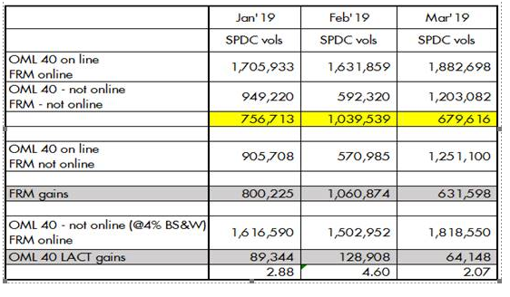
OIL | 2019 |  | Export Gas | 2019 |  | DOMGAS | 2019
Oil Impact |  |  | Oil Impact |  |  | Oil Impact
Capex | 0 | 30600
Capital Allwce | 0
Oil price | 66 | Based on the BP price . | Gas price | 1.64 | Based on the BP price . | Gas price | 2.5 | Based on the BP price .
No of days | 31 |  | No of days |  |  | No of days | 31
Production in Kboe/d | 2.07 | Based on BP Target | Production in Kboe/d |  | Based on BP Target | Production in Kboe/d |  | Based on BP Target
Total Oil production (bbls) | 64,148.00 |  | Total gas production (bbls) | - |  | Total gas production (bbls) | -
Impact on revenue ($) | 4,249,613 |  | Impact on revenue ($) | - |  | Impact on revenue ($) | -
Royalties on Oil | -849,923 | Based on 20% royalty rate for oil. | Royalties on Gas | 0 | Based on 7% royalty rate for Gas. | Royalties on Gas | 0 | Based on 7% royalty rate for Gas.
Cost |  |  | Cost | 0 |  | Cost | 0
Ullage revenue |  |  | Ullage revenue |  |  | Ullage revenue
Depreciation |  |  | Depreciation |  |  | Depreciation | 0
Pre-Tax impact | 3,399,690 |  | Pre-Tax impact | - |  | Pre-Tax impact | -
Tax impact on Oil production | -433,460 | Based on SPDC Minimum tax rate of 12.75% | Tax impact on Gas production | 0 |  | Tax impact on Gas production | 0

NIBIAT Impact (After Tax) in $ | 2,966,230 |  | NIBIAT Impact (After Tax) in $ | - |  | NIBIAT Impact (After Tax) in $ | -

CSD Impact( Nibiat + depreciation) | 2,966,230 | (help) | CSD Impact( Nibiat + depreciation) | - | (help) | CSD Impact( Nibiat + depreciation) | - | (help)

Capex
Capital Allwce tax shield | 0
FCF 100% | 2,966,229.56
FCF SS | 889,868.87 |  | CSD Impact( SS) | - |  | CSD SS | -

Total (Oil + Gas) SS | 889,868.87

